Sheet1
Account | App | User | Device | Pin | Steps | Note |  |  | BUGS | Results
HTTPS |  |  |  |  |  |  |  |  | 2018-07-11
qa-acme | O365 | walker@qa-acme.com //Bitglass145 | iPad with ios 11 | 135791 | Server Should Be: | with AD auth |  | walker | julia | direct | pass
HTTPS | AD Agent |  |  | name | -qac-autodiscover-2112568848.us-west-2.elb.amazonaws.com | Configure manually |  | walker | julia | secure | pass
O365 |  | julia@qa-acme.com |  | https | canonical name = autodiscover-https.us.bgcls.com. |  |  | walker | julia | deny | pass
 |  |  |  | http | canonical name = autodiscover.us.bgcls.com
has lates cert |  |  |  |  | settings >add account > Exchange > Configure manualy
 |  | asked Kevin to swith HTTP
 |  |  |  |  | -Server on mobile:
 |  |  |  |  | o365 secure: outlook-office365-com.us.bgcls.com o365
 | Google | use Romeo | on ASSUS |  | o365 direct: outlook.office365.com
HTTPS |  |  | btglss.com
btglss.com | Google | qa1@btglss.com – Secure (expired) | ASSUS tablet | 1537 | Select MAIL app > add exchange | Change AUTH to SAML/ADFS under People |  |  | https://intranet.bgcorp.com/bugzilla/show_bug.cgi?id=17868
Google | SAML | qa2@btglss.com – Direct (secure expired) | or |  |  | use exchange app on mobile device |  |  | 2018-07-11
HTTPS |  |  | iPAD with ios 11 | 135791 | secure: - m-google com.us.bgcls.com |  |  |  | qa1 | direct | pass | on ASSUS and iPAD
 |  | If Cutoff is enabled DIRECT WONT work |  |  | Direct: m.google.com |  |  |  | qa1/qa2 | deny | pass
cert is expird |  |  |  |  |  | run cmd: nslookup autodiscover.btglss.com |  |  | qa1/qa2 | secure | pass |  | (cutoff account -> only secure will work. Even if account is added for direct access emails will not sync)
 |  |  |  |  |  |  |  |  |  |  |  |  | unable to add qa1/qa2@btglss.com - when direct
 |  |  |  |  |  |  |  |  |  |  |  |  | now direct is not syncing emails (password is incorrect)
Account | App | User | Device | Pin | Steps | Note |  |  |  |  |  |  | After un-checking and re-selecting Activesync under app instance direct worked
HTTP |  |  |  |  |  |  |  |  |  |  |  |  | User or Password is incorrect error displayed
bitglass-inc.com | O365 | qa1@bitglass-inc.com (secure) | white iPhone (small) | 1357 | Accounts > Add Account | 1.Choose Exchange option |  |  | 2018-07-11 |  |  |  | Outlook:
 | AD AGENT | qa2@bitglass-inc.com (direct) |  |  | Choose Exchange option | 2.Server field will be blank for DENY policy |  |  |  |  |  |  | always will login as direct (when pointing to aoutlook). Deny wont work
 |  |  |  |  |  | -Change AUTH to DEFAULT for O365 bitglass-inc.com under AppPolicies > Authentication
retest |  |  |  |  |  | -Change to AD Agent under People from SAML
tested with qa-acme on HTTP instead, using Walker |  |  |  |  | -Server on mobile: | -Make sure AD is healthy
 |  |  |  |  | o365 secure: outlook-office365-com.us.bgcls.com o365 secure | -no dashes in nslookup (run cmd: nslookup autodiscover.bitglass-inc.com) |  |  | qa1/qa2 | deny | pass | bitglass-inc.com AD has issues , OPS working on it to fix
 |  |  |  |  | o365 direct: - outlook.office365.com | -Send new email, if no emails are synced |  |  | qa1/qa2 | secure | pass | server is blank try (bgcloudforest) | AD is down
 |  |  |  |  |  | -Server on mobile: |  |  | qa1/qa2 | direct | pass | server is blank
 |  |  |  |  | If pointing to Outlook: should be always direct (on mobile) | o365 secure: outlook-office365-com.us.bgcls.com o365 secure
 |  |  |  |  | canonical name = autodiscover.us.bgcls.com.
 |  |  |  |  | canonical name = autodiscover.outlook.com.
HTTPS
btglss.org | Google | eastest@btglss.org - (secure) | phone HTC (silver) | 12ab | App>Policies>Google (do NOT change accounts): | email synced |  |  | 2018-07-11
HTTP | SAML | API btglss.org Gdrive qa1 qa1@btglss.org (deny) |  |  |  | server address has NO dashes if direct
Google |  | qa2@btglss.org (direct) |  |  | -Click on “MAIL” app > choose mail provider | use SAML (check under People)
 |  |  |  |  | -Pick MS Exchange ActyveSync option | Ask Kevin to change account if it says OUTLOOK in nslookup
 |  |  |  |  | -DELETE existing account > ADD account again |  |  | qa2 | eastest/qa2 | direct | pass
 |  |  |  |  | autodiscover.btglss.org canonical name = autodiscover.us.bgcls.com. |  |  | qa2 | eastest/qa2 | secure | pass
 |  |  |  |  | Server on Mobile Devices: |  |  |  | eastest | deny | pass
 |  |  |  |  | Direct: m.google.com
 |  |  |  |  | secure: - m-google com.us.bgcls.com

Exchange |  |  |  |  | To test logs
qac
bitglass-inc.com | user2@bitglass-inc.com |  |  |  | Login to qacaws.com > Policies > Exchange > set DLP for Upload/Download policy
qacaws.com | user1030@qacaws.com |  |  |  | Create exchnage account on mobile device |  |  | Android HTC | usert1030 | pass
 |  |  |  |  | Send email with files attached
 |  |  |  |  | Download files from email on mobile device
Exchange Accounts |  |  |  |  | Check logs on Portal under Access > Summary, Data Leacked
https://wiki-bgcorp-cloud.btglss.net/display/QA/Exchange%20Hybrid%20Environment

Tested all tc
180620-6270 0098cc5ceca1b9e50bfe83298415bca7d362ba20 qac-frontend2.us-west-2 |  |  |  |  | Known bugs

HTTPS |  |  |  |  | https://intranet.bgcorp.com/bugzilla/show_bug.cgi?id=17944 | Able to add email on iOS 11 when HTTPS cert is expired
btglss.com > Google Apps > qa1/ qa2@btglss.com > Asus tab and iPAD |  |  |  |  | https://intranet.bgcorp.com/bugzilla/show_bug.cgi?id=17946 | Able to upload expired cert to certs tab - HTTPS autodiscover
 |  |  |  |  | https://intranet.bgcorp.com/bugzilla/show_bug.cgi?id=17868 | Unable to add activesync account for btglss.com
qa-acme > O365 > julia@qa-acme.com > iPad
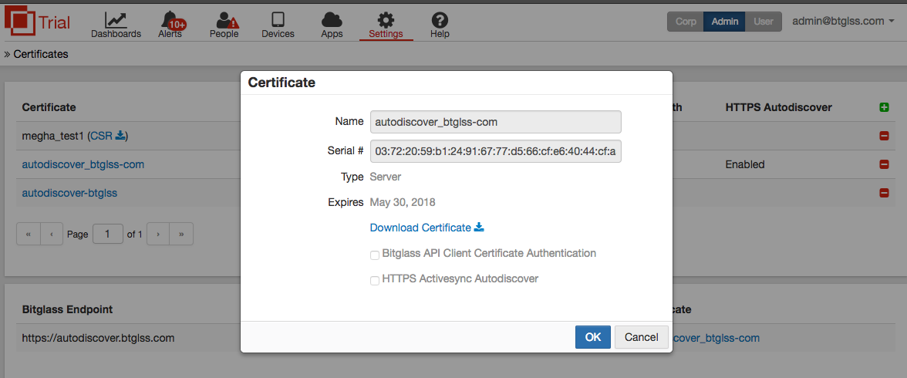

HTTP
bitglass-inc.com > O365 > qa1@bitglass-inc.com > iphone

btglss.org > Google > eastest / qa2@btglss.org > htc phone

Test Plan
https://intranet.bgcorp.com/bugzilla/tr_show_plan.cgi?plan_id=690

Test RUN:
https://intranet.bgcorp.com/bugzilla/tr_show_run.cgi?run_id=2484
https://intranet.bgcorp.com/bugzilla/tr_show_run.cgi?run_id=2485

Bugzilla:
https://intranet.bgcorp.com/bugzilla/show_bug.cgi?id=16457

HTTP |  | Could be used instead of bitglass-inc.com
bgcloudforest.net |  | CloudForestUser2@bgcloudforest.net | This is Cutoff account | use AD
HTTP |  | CloudForestUser1@bgcloudforest.net |  |  | nslookup autodiscover.bgcloudforest.net
iPhone |  |  | Direct WONT work |  | dig autodiscover.bgcloudforest.net
Could be used instead of bitglass-inc.com
 |  |  |  |  | canonical name = autodiscover.outlook.com.
 |  |  |  |  | If pointing to Outlook: should be always direct (on mobile) | it is direct | pass

